Label Sticker Calculator
 | Calculator for Custom Size Label Sticker
 | This form is for user to calculate how many sticker they can get per order set depending on the size of the sitcker they want. PLEASE FILL IN THE YELLOW CELL ONLY.
 | Tips: If you are using a mobile phone please set the browser to the desktop site when using this calculator.

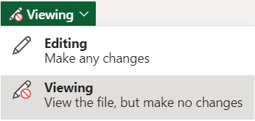
 | Type of Cut ? | Rounded Corner | <--- Select from dropdown list. | Tips: if you can't see the dropdown list. Please change Viewing to Editing.
 | Sticker Length (mm) ? | 100 | (Note: Enter value between 15 - 270 only)
 | Sticker Height (mm) ? | 20 | (Note: Enter value between 5 - 186 only)
 | Total Sticker Per Set Order | 30

 | FOR RECTANGULAR STICKER | FOR IRREGULAR SHAPE STICKER
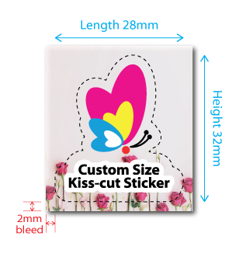
Straight Cut Sticker
 | Length
Height

 | CAUTION: Straight cut sticker is suitable for artwork with white/single colour background only.

Rounded Corner Sticker
 | Length
Height

 | CAUTION: 2mm bleed is required for below sticker design. - Rounded corners/Irregular shape. - non white background. - complex background design. | In this example above: If Sticker size is 28mm x 32mm. Bleed size will be 32mm x 36mm (2mm bigger then sticker size). You will get 80 stickers per set order.

